Table 1

Selected Acquisition Report (SAR)
RCS: DD-A&T(Q&A)823-439
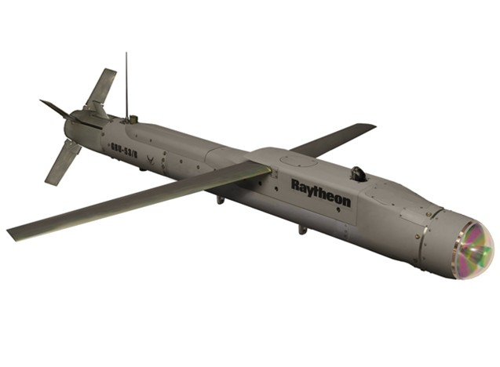
Small Diameter Bomb Increment II (SDB II)
As of FY 2017 President's Budget
Defense Acquisition Management Information Retrieval
(DAMIR)

Table 34
Unit Cost History
Item |  |  |  |  |  |  |  | Date |  |  |  |  | BY 2015 $M |  |  |  |  |  | TY $M
 |  |  |  |  |  |  |  |  |  |  |  |  | PAUC |  | APUC |  |  |  | PAUC |  |  |  | APUC

Original APB |  |  |  |  | Oct 2010 |  |  |  |  |  |  |  | 0.290 |  |  | 0.190 |  |  |  | 0.304 |  |  |  | 0.209
APB as of January 2006 |  |  |  |  | N/A |  |  |  |  |  |  |  | N/A |  |  | N/A |  |  |  | N/A |  |  |  | N/A
Revised Original APB |  |  |  |  | N/A |  |  |  |  |  |  |  | N/A |  |  | N/A |  |  |  | N/A |  |  |  | N/A
Prior APB |  |  |  |  | Oct 2010 |  |  |  |  |  |  |  | 0.290 |  |  | 0.190 |  |  |  | 0.304 |  |  |  | 0.209
Current APB |  |  |  |  | Sep 2015 |  |  |  |  |  |  |  | 0.236 |  |  | 0.140 |  |  |  | 0.259 |  |  |  | 0.164
Prior Annual SAR |  |  |  |  | Dec 2014 |  |  |  |  |  |  |  | 0.228 |  |  | 0.129 |  |  |  | 0.248 |  |  |  | 0.151
Current Estimate |  |  |  |  | Dec 2015 |  |  |  |  |  |  |  | 0.243 |  |  | 0.141 |  |  |  | 0.265 |  |  |  | 0.165
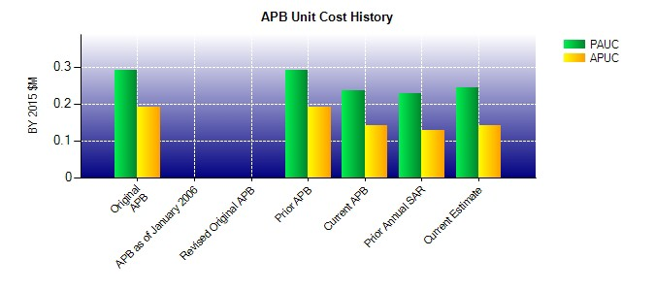
SAR Unit Cost History
Initial SAR Baseline to Current SAR Baseline (TY $M)
Initial PAUC Development Estimate | Changes |  |  |  |  |  |  |  |  |  |  |  |  |  |  |  |  |  |  |  |  | PAUC Production Estimate
 | Econ |  | Qty |  |  | Sch |  |  | Eng |  | Est |  |  | Oth | Spt |  |  | Total
0.304 0.006 0.000 0.001 0.000 -0.049 0.000 -0.003 -0.045 0.259
Current SAR Baseline to Current Estimate (TY $M)
PAUC Production Estimate |  | Changes |  |  |  |  |  |  |  |  |  |  |  |  |  |  |  |  |  |  | PAUC Current Estimate
 |  | Econ |  | Qty |  |  | Sch |  |  | Eng |  | Est |  | Oth | Spt |  | Total
0.259 -0.001 0.000 0.000 0.006 0.001 0.000 0.000 0.006 0.265

